ABC OG
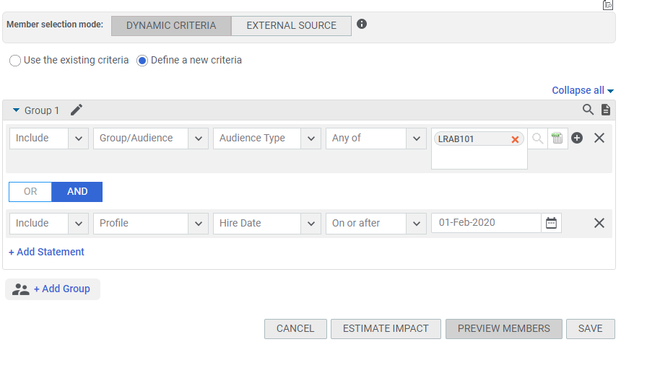
First Name | Last Name | Username | Person Type | Completed excluded - VLOOKUP | Completed included - VLOOKUP
Abdellfatah | Khobban | KHOBBAN ABDELLFATAH | Temporary | #N/A | KHOBBAN ABDELLFATAH
Adalsteinn | Stefansson | STEFANSSON ADALSTEIN | Regular | #N/A | STEFANSSON ADALSTEIN
Adeline | Gray | GRAY ADELINE | Regular | #N/A | GRAY ADELINE
Aisha | Khan | KHAN AISHA | Temporary | #N/A | KHAN AISHA
Akihito | Sugai | SUGAI AKIHITO | Regular | #N/A | SUGAI AKIHITO
Alice | Haddon | HADDON ALICE | Regular | #N/A | HADDON ALICE
Alissa | Plantade | PLANTADE ALISSA | Regular | #N/A | PLANTADE ALISSA
Alvi | Halili | HALILI ALVI | Temporary | #N/A | HALILI ALVI
André | Haiek | HAIEK ANDRE | Regular | #N/A | HAIEK ANDRE
Andy | Chua | CHUA ANDY | Regular | #N/A | CHUA ANDY
Anette | Ritter | RITTER ANETTE | Regular | #N/A | RITTER ANETTE
Angelo | Gualdaroni | GUALDARONI ANGELO | Regular | #N/A | GUALDARONI ANGELO
Anna | Youn | YOUN ANNA | Regular | #N/A | YOUN ANNA
Antoine | Roncoroni | RONCORONI ANTOINE | Regular | #N/A | RONCORONI ANTOINE
Apoorv | Varma | VARMA APOORV | Regular | #N/A | VARMA APOORV
Arthur | Favereaux | FAVEREAUX ARTHUR | Temporary | #N/A | FAVEREAUX ARTHUR
Ashley | McNiff | MCNIFF ASHLEY | Regular | #N/A | MCNIFF ASHLEY
Bayeta | Mulato | MULATO BAYETA | Regular | #N/A | MULATO BAYETA
Benjamin | Sarda | SARDA BENJAMIN | Regular | #N/A | SARDA BENJAMIN
Benoit | Guillermain | GUILLERMAIN BENOIT | Regular | #N/A | GUILLERMAIN BENOIT
Brandon | Ogbu | OGBU BRANDON | Temporary | #N/A | OGBU BRANDON
Brittani | Taylor | TAYLOR BRITTANI | Regular | #N/A | TAYLOR BRITTANI
Bruno | Menniti Pennini | PENNINI BRUNO | Regular | #N/A | PENNINI BRUNO
Buhle | Dlodlo | DLODLO BUHLE | Regular | #N/A | DLODLO BUHLE
Carolina | Villalta Pérez | VILLALTA CAROLINA | Regular | #N/A | VILLALTA CAROLINA
Carrie | Rindos | RINDOS CARRIE | Regular | #N/A | RINDOS CARRIE
Ching Teng | Tam | TAM CHING TENG | Regular | #N/A | TAM CHING TENG
Côme | Lefébure | LEFEBURE COME | Regular | #N/A | LEFEBURE COME
Constanze | Freyberger | FREYBERGER CONSTANZE | Temporary | #N/A | FREYBERGER CONSTANZE
Daniel | Muluneh | MULUNEH DANIEL | Temporary | #N/A | MULUNEH DANIEL
Daniel | Wait | WAIT DANIEL | Regular | #N/A | WAIT DANIEL
David | Garcia | GARCIA R DAVID | Regular | #N/A | GARCIA R DAVID
Diane | Wollaston | WOLLASTON DIANE | Temporary | #N/A | WOLLASTON DIANE
Efosa | Ayanru | AYANRU EFOSA | Regular | #N/A | AYANRU EFOSA
Estelle | Altazin | ALTAZIN ESTELLE | Regular | #N/A | ALTAZIN ESTELLE
Eva | Assayag | ASSAYAG EVA | Temporary | #N/A | ASSAYAG EVA
Fernando | Bittencourt | BITTENCOURT FERNANDO | Regular | #N/A | BITTENCOURT FERNANDO
Filippo | Ascari | ASCARI FILIPPO | Temporary | #N/A | ASCARI FILIPPO
Francesco | Maulini | MAULINI FRANCESCO | Temporary | #N/A | MAULINI FRANCESCO
Gabriel | Tomic | TOMIC GABRIEL | Regular | #N/A | TOMIC GABRIEL
Helga | Campos | CAMPOS HELGA | Temporary | #N/A | CAMPOS HELGA
Hugo | Higashi | HIGASHI HUGO | Regular | #N/A | HIGASHI HUGO
Ilka | Leicht | LEICHT ILKA | Regular | #N/A | LEICHT ILKA
James | Conroy Finn | CONROY FINN JAMES | Regular | #N/A | CONROY FINN JAMES
Jasneet | Kaur | KAUR JASNEET | Regular | #N/A | KAUR JASNEET
Jessica | Allen | ALLEN JESSICA | Temporary | #N/A | ALLEN JESSICA
João | Oliva | OLIVA JOAO | Regular | #N/A | OLIVA JOAO
Julie | Batlle | BATLLE JULIE | Temporary | #N/A | BATLLE JULIE
Kaarlo | Kohonen | KOHONEN KAARLO | Temporary | #N/A | KOHONEN KAARLO
Karel | Balogh | BALOGH KAREL | Temporary | #N/A | BALOGH KAREL
Katarzyna | Chocian | CHOCIAN KATARZYNA | Regular | #N/A | CHOCIAN KATARZYNA
Katherine | Pettit | PETTIT KATHERINE | Regular | #N/A | PETTIT KATHERINE
Kathrin | MCcutheon | MCCUTCHEON KATHRIN | Regular | #N/A | MCCUTCHEON KATHRIN
Katie | Sims | SIMS KATIE | Regular | #N/A | SIMS KATIE
Katie | Welsh | WELSH KATIE | Regular | #N/A | WELSH KATIE
Kenji | Horimoto | HORIMOTO KENJI | Regular | #N/A | HORIMOTO KENJI
Lena | Beck | BECK LENA | Regular | #N/A | BECK LENA
Leonardo | Araujo | ARAUJO LEONARDO | Regular | #N/A | ARAUJO LEONARDO
Lichan | Cheah | CHEAH LICHAN | Regular | #N/A | CHEAH LICHAN
Lina | Peters | PETERS LINA | Regular | #N/A | PETERS LINA
Lotta | Nyberg | NYBERG LOTTA | Temporary | #N/A | NYBERG LOTTA
Louis | Frely | FRELY LOUIS | Regular | #N/A | FRELY LOUIS
Lubomir | Silhavy | SILHAVY LUBOMIR | Temporary | #N/A | SILHAVY LUBOMIR
Mai Huong | Nguyen | NGUYEN MAI HUONG | Regular | #N/A | NGUYEN MAI HUONG
Marc | Romero Aguilar | ROMERO MARC | Temporary | #N/A | ROMERO MARC
Marco | Mondazzi | MONDAZZI MARCO | Temporary | #N/A | MONDAZZI MARCO
Mateus | Pedrino | PEDRINO MATEUS | Regular | #N/A | PEDRINO MATEUS
Mathias | Saaby | SAABY MATHIAS | Temporary | #N/A | SAABY MATHIAS
Maurício | Pertile | PERTILE MAURICIO | Regular | #N/A | PERTILE MAURICIO
Mayu | Yoshihara | YOSHIHARA MAYU | Regular | #N/A | YOSHIHARA MAYU
Michael | Okwilagwe | OKWILAGWE MICHAEL | Temporary | #N/A | OKWILAGWE MICHAEL
Michal | Kieltyka | KIELTYKA MICHAL | Temporary | #N/A | KIELTYKA MICHAL
Michele | Iovine | IOVINE MICHELE | Temporary | #N/A | IOVINE MICHELE
Mike | Radu | RADU MIKE | Regular | #N/A | RADU MIKE
Mizuki | Hirai | HIRAI MIZUKI | Regular | #N/A | HIRAI MIZUKI
Nasir | Panjwani | PANJWANI NASIR | Temporary | #N/A | PANJWANI NASIR
Nico | Olivieri | OLIVIERI NICO | Regular | #N/A | OLIVIERI NICO
Nikolaos Anastasios | Mantziaris | MANTZIARIS NIKOLAOS | Temporary | #N/A | MANTZIARIS NIKOLAOS
Pablo | Azpeitia De La Torre | AZPEITIA PABLO | Temporary | #N/A | AZPEITIA PABLO
Pedro | Luz | LUZ PEDRO | Regular | #N/A | LUZ PEDRO
Peter | Buijs | BUIJS PETER | Regular | #N/A | BUIJS PETER
Pierre-Alexis | Daufresne | DAUFRESNE PIERREALEX | Regular | #N/A | DAUFRESNE PIERREALEX
Prabuddha | Guha | GUHA PRABUDDHA | Regular | #N/A | GUHA PRABUDDHA
Pradeep | Yadav | YADAV PRADEEP | Regular | #N/A | YADAV PRADEEP
Pranay | Boobna | BOOBNA PRANAY | Regular | #N/A | BOOBNA PRANAY
Pranay | Puranik | PURANIK PRANAY | Regular | #N/A | PURANIK PRANAY
Preetosh | Srivastava | SRIVASTAVA PREETOSH | Regular | #N/A | SRIVASTAVA PREETOSH
Priyanka | Kar | KAR PRIYANKA | Regular | #N/A | KAR PRIYANKA
Rasmus | Würtz | WUERTZ RASMUS | Temporary | #N/A | WUERTZ RASMUS
Saki | Sekiguchi | SEKIGUCHI SAKI | Regular | #N/A | SEKIGUCHI SAKI
Sana | Ekbatani | EKBATANI SANA | Regular | #N/A | EKBATANI SANA
Sarah | Glock | GLOCK SARAH | Regular | #N/A | GLOCK SARAH
Sarah | Hurley | HURLEY SARAH | Regular | #N/A | HURLEY SARAH
Sarah | Nagel | NAGEL SARAH | Regular | #N/A | NAGEL SARAH
Shikha | Jodhani | JODHANI SHIKHA | Regular | #N/A | JODHANI SHIKHA
Shrish | Singh | SINGH SHRISH | Temporary | #N/A | SINGH SHRISH
Soumaya | Lyousfi | LYOUSFI SOUMAYA | Regular | #N/A | LYOUSFI SOUMAYA
Sunayna | Bholah | BHOLAH SUNAYNA | Regular | #N/A | BHOLAH SUNAYNA
Tamara | Tüchelmann | TUECHELMANN TAMARA | Regular | #N/A | TUECHELMANN TAMARA
Thomas | Robles | ROBLES THOMAS | Temporary | #N/A | ROBLES THOMAS
Timothy | Xie | XIE TIMOTHY | Regular | #N/A | XIE TIMOTHY
Tray | Evarts | EVARTS TRAY | Regular | #N/A | EVARTS TRAY
Vanesha | Parkash | PARKASH VANESHA | Regular | #N/A | PARKASH VANESHA
Vinit | Monga | MONGA VINIT | Regular | #N/A | MONGA VINIT
Wei | Huang | HUANG WEI | Regular | #N/A | HUANG WEI
Yashika | Aggarwal | AGGARWAL YASHIKA | Regular | #N/A | AGGARWAL YASHIKA
Yuri | Yamazaki | YAMAZAKI YURI | Regular | #N/A | YAMAZAKI YURI

ABC With Completed included
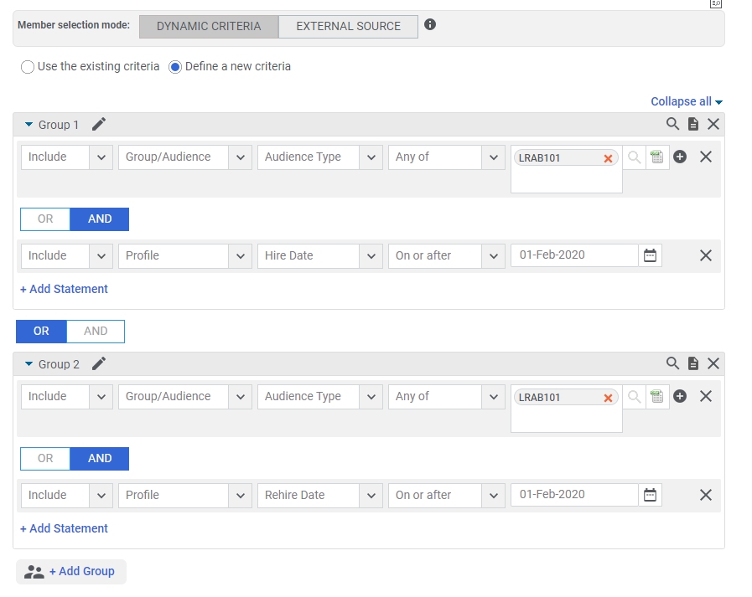
First Name | Last Name | Username | Person Type | Require Assignment | Require Deletion
Aashna | Shaparia | SHAPARIA AASHNA | Regular | 97 | 1
Abdellfatah | Khobban | KHOBBAN ABDELLFATAH | Temporary
Abigail | Fisher | FISHER ABIGAIL | Temporary
Adalsteinn | Stefansson | STEFANSSON ADALSTEIN | Regular
Adeline | Gray | GRAY ADELINE | Regular
Agatha | Victoria | VICTORIA AGATHA | Regular
Aisha | Khan | KHAN AISHA | Temporary
Akihito | Sugai | SUGAI AKIHITO | Regular
Akshay | Karan | KARAN AKSHAY | Regular
Aleena | Das | DAS ALEENA | Regular
Aleksandra | Kaminska | KAMINSKA ALEKSANDRA | Regular
Alice | Haddon | HADDON ALICE | Regular
Alissa | Plantade | PLANTADE ALISSA | Regular
Alvi | Halili | HALILI ALVI | Temporary
Alyse | Kim | KIM ALYSE | Regular
Amanda | Furstenberg | FURSTENBERG AMANDA | Regular
Amlaan | Kumar | KUMAR AMLAAN | Regular
Ana | de Leon | DE LEON ANA | Regular
Ana Georgina | Garza | GARZA ANA GEORGINA | Regular
Anastasia | Demetriou | 357906 | Regular
André | Haiek | HAIEK ANDRE | Regular
André | Lima | LIMA ANDRE | Regular
André | Nunes | NUNES ANDRE | Regular
Andrea | Glück | GLUECK ANDREA | Regular
Andy | Chua | CHUA ANDY | Regular
Andy | Wang | WANG ANDY | Regular
Anette | Ritter | RITTER ANETTE | Regular
Angelo | Gualdaroni | GUALDARONI ANGELO | Regular
Anna | Rusinek | RUSINEK ANNA | Regular
Anna | Youn | YOUN ANNA | Regular
Annie | McCarthy | MCCARTHY ANNIE | Regular
Antoine | Roncoroni | RONCORONI ANTOINE | Regular
Antonia | Ebert | EBERT ANTONIA | Temporary
Apoorv | Varma | VARMA APOORV | Regular
Arthur | Favereaux | FAVEREAUX ARTHUR | Temporary
Ashley | McNiff | MCNIFF ASHLEY | Regular
Avery | Shi | SHI SHU YI | Regular
Avinash | Rao | RAO AVINASH | Regular
Bayeta | Mulato | MULATO BAYETA | Regular
Ben | Burgess | BURGESS BEN | Regular
Ben | Fulton | FULTON BEN | Regular
Benjamin | Neves | NEVES BENJAMIN | Temporary
Benjamin | Sarda | SARDA BENJAMIN | Regular
Benjamin | Zinevich | ZINEVICH BENJAMIN | Temporary
Benoit | Guillermain | GUILLERMAIN BENOIT | Regular
Brandon | Ogbu | OGBU BRANDON | Temporary
Brendan | Webb | WEBB BRENDAN | Regular
Brittani | Taylor | TAYLOR BRITTANI | Regular
Bruno | Menniti Pennini | PENNINI BRUNO | Regular
Buhle | Dlodlo | DLODLO BUHLE | Regular
Carina | Benedi | BENEDI CARINA | Regular
Carina | Höges | HOEGES CARINA | Regular
Carlo | Moneta | MONETA CARLO | Temporary
Carolina | Villalta Pérez | VILLALTA CAROLINA | Regular
Caroline | Pansard | PANSARD CAROLINE | Regular
Carrie | Rindos | RINDOS CARRIE | Regular
Catarina | Patricio | PATRICIO CATARINA | Regular
Cathy | Poblete | POBLETE CATHY | Regular
Chakib | Ouguerd | OUGUERD CHAKIB | Temporary
Cheng-Hsun | Yang | YANG CHENGHSUN | Regular
Cheryl | Zhang | ZHANG CHERYL | Regular
Ching Teng | Tam | TAM CHING TENG | Regular
Chiou Yih | Lee | LEE CHIOU YIH | Regular
Clary | Castrission | CASTRISSION CLARY | Regular
Clemens | Frank | FRANK CLEMENS | Regular
Clemens | Krauss | KRAUSS CLEMENS | Regular
Cole | Brown | BROWN COLE | Regular
Côme | Lefébure | LEFEBURE COME | Regular
Constanze | Freyberger | FREYBERGER CONSTANZE | Temporary
Daniel | Muluneh | MULUNEH DANIEL | Temporary
Daniel | Wait | WAIT DANIEL | Regular
Daniel | Wei | WEI DANIEL | Regular
David | Brooke | BROOKE DAVID | Regular
David | Frigaard | FRIGAARD DAVID | Regular
David | Garcia | GARCIA R DAVID | Regular
David | Robertson | ROBERTSON DAVID | Regular
Diane | Wollaston | WOLLASTON DIANE | Temporary
Dominik | Emmel | EMMEL DOMINIK | Regular
Dominik | Klein | KLEIN DOMINIK | Temporary
Efosa | Ayanru | AYANRU EFOSA | Regular
Elahe | Anjarwalla | ANJARWALLA ELAHE | Regular
Elena | Dutta | DUTTA ELENA | Regular
Elizaveta | Markovetc | MARKOVETC ELIZAVETA | Temporary
Eric | North | NORTH ERIC | Regular
Erwan | de Kergaradec | DE KERGARADEC ERWAN | Regular
Estelle | Altazin | ALTAZIN ESTELLE | Regular
Eva | Assayag | ASSAYAG EVA | Temporary
Faradisa | Anintya | ANINTYA FARADISA | Regular
Farid | Chakkour | CHAKKOUR FARID | Regular
Felix | Lindenberg | LINDENBERG FELIX | Regular
Fernando | Bittencourt | BITTENCOURT FERNANDO | Regular
Filippo | Ascari | ASCARI FILIPPO | Temporary
Fizi | Yadav | YADAV FIZI | Regular
Florian | Räuber | RAEUBER FLORIAN | Temporary
Francesco | Maulini | MAULINI FRANCESCO | Temporary
Fumina | Onodera | ONODERA FUMINA | Regular
Gabriel | Tomic | TOMIC GABRIEL | Regular
Gabriele | Prato | PRATO GABRIELE | Regular
Geena | Zimbler | ZIMBLER GEENA | Regular
Giulia | Ciarletti | CIARLETTI GIULIA | Temporary
Grégoire | Boussac | BOUSSAC GREGOIRE | Regular
Han Rui | Lim | LIM HAN RUI | Regular
Harshil | Damani | DAMANI HARSHIL | Regular
Haruyuki | Kawazu | KAWAZU HARUYUKI | Regular
Helga | Campos | CAMPOS HELGA | Temporary
Hugo | Higashi | HIGASHI HUGO | Regular
Ilka | Leicht | LEICHT ILKA | Regular
Jacob | Umland | UMLAND JACOB | Temporary
Jake | Fischer | FISCHER JAKE | Regular
Jakub | Fila | FILA JAKUB | Regular
James | Clark | CLARK JAMES | Regular
James | Conroy Finn | CONROY FINN JAMES | Regular
Jara | Lles | LLES JARA | Temporary
Jasneet | Kaur | KAUR JASNEET | Regular
Jay | Patel | PATEL JAY | Regular
JD | Herrman | HERRMAN JOHN | Regular
Jean | Mosoti | MOSOTI JEAN | Regular
Jennifer | Polanco | POLANCO JENNIFER | Regular
Jerry | Peoples | PEOPLES JERRY | Regular
Jesse | Aulsebrook | AULSEBROOK JESSE | Regular
Jessi | Olsen | OLSEN JESSI | Regular
Jessica | Allen | ALLEN JESSICA | Temporary
Jessilyn | Calderwood | CALDERWOOD JESSILYN | Regular
JJ | Wojcik | WOJCIK JJ | Regular
João | Oliva | OLIVA JOAO | Regular
Joe | Giammittorio | GIAMMITTORIO JOE | Regular
Johannes | Martens | MARTENS JOHANNES | Regular
Johnny | Henderson | HENDERSON JOHNNY | Regular
Jose | De La Garza Evia Linan | DE LA GARZA EVIA LIN | Regular
Julia | Aulbach | AULBACH JULIA | Regular
Julian | Radtke | RADTKE JULIAN | Regular
Julie | Batlle | BATLLE JULIE | Temporary
Juliette | Martin | MARTIN JULIETTE | Temporary
Julijana | Stokic | STOKIC JULIJANA | Temporary
Kaarlo | Kohonen | KOHONEN KAARLO | Temporary
Kabelo | Malahlela | MALAHLELA KABELO | Temporary
Karel | Balogh | BALOGH KAREL | Temporary
Karel | Nanninga | NANNINGA KAREL | Regular
Karolina | Palmowska | PALMOWSKA KAROLINA | Regular
Katarzyna | Chocian | CHOCIAN KATARZYNA | Regular
Kate | Khunvirojpanich | KHUNVIROJPANICH KATE | Regular
Katharina | Ramsauer | RAMSAUER KATHARINA | Regular
Katherine | Pettit | PETTIT KATHERINE | Regular
Kathrin | McCutcheon | MCCUTCHEON2 KATHRIN | Regular
Kathrin | MCcutheon | MCCUTCHEON KATHRIN | Regular
Katie | Sims | SIMS KATIE | Regular
Katie | Welsh | WELSH KATIE | Regular
Kazimierz | Mistrzak | MISTRZAK KAZIMIERZ | Temporary
Kei | Ho | HO KEI | Regular
Kenji | Horimoto | HORIMOTO KENJI | Regular
Kevin | Hedrick | HEDRICK KEVIN | Regular
Kevin | Kurniawan | KURNIAWAN KEVIN | Regular
Kevin | Sanders | SANDERS KEVIN | Regular
Khyati | Gala | GALA KHYATI | Regular
Kitty | Lo | LO KITTY | Regular
Laura | Sloboda | SLOBODA LAURA | Regular
Lauren | Booth | BOOTH LAUREN | Regular
Lena | Beck | BECK LENA | Regular
Leonardo | Araujo | ARAUJO LEONARDO | Regular
Leonhard | Lukoschek | LUKOSCHEK LEONHARD | Regular
Lichan | Cheah | CHEAH LICHAN | Regular
Lina | Peters | PETERS LINA | Regular
Lizheng | Liu | LIU LIZHENG | Regular
Lodovica | Capovilla | CAPOVILLA LODOVICA | Temporary
Lotta | Nyberg | NYBERG LOTTA | Temporary
Louis | Frely | FRELY LOUIS | Regular
Lubomir | Silhavy | SILHAVY LUBOMIR | Temporary
Lucas | Lesniewski | LESNIEWSKI LUCAS | Regular
Lucy | Xiao-Vance | XIAOVANCE LUCY | Regular
Ludovic | Delrue | DELRUE LUDOVIC | Regular
Lukas | Hoffmann | HOFFMANN LUKAS | Temporary
Lunako | Mthenjana | MTHENJANA LUNAKO | Regular
Maciej | Sniechowski | SNIECHOWSKI MACIEJ | Regular
Madeleine | McCrimlisk | MCCRIMLISK MADELEINE | Regular
Mai Huong | Nguyen | NGUYEN MAI HUONG | Regular
Mairi | Robertson | ROBERTSON MAIRI | Regular
Manas | Manbhav | MANBHAV MANAS | Regular
Manola | Gelin | GELIN MANOLA | Regular
Marc | Romero Aguilar | ROMERO MARC | Temporary
Marco | Mondazzi | MONDAZZI MARCO | Temporary
María | Cabañero | CABANERO MARIA | Regular
Martin | Stepanek | STEPANEK MARTIN | Regular
Mateus | Pedrino | PEDRINO MATEUS | Regular
Mathias | Saaby | SAABY MATHIAS | Temporary
Matteo | Loiacono | LOIACONO MATTEO | Regular
Maurício | Pertile | PERTILE MAURICIO | Regular
Maximilian | Roth | ROTH MAXIMILIAN | Regular
Mayu | Yoshihara | YOSHIHARA MAYU | Regular
Meriem | Ardalane | ARDALANE MERIEM | Regular
Michael | Okwilagwe | OKWILAGWE MICHAEL | Temporary
Michal | Kieltyka | KIELTYKA MICHAL | Temporary
Michele | Iovine | IOVINE MICHELE | Temporary
Michelle | Lipnik | LIPNIK MICHELLE | Regular
Mike | Radu | RADU MIKE | Regular
Mizuki | Hirai | HIRAI MIZUKI | Regular
Mohammed | Badat | BADAT MOHAMMED | Regular
Mohit | Jain | JAIN MOHIT | Regular
Molly | Livingstone | LIVINGSTONE MOLLY | Regular
Mourad | Rhraidou | RHRAIDOU MOURAD | Regular
Mui | Choi | CHOI MUI | Regular
Nadhirah | Daud | DAUD NADHIRAH | Regular
Nanak | Narulla | NARULLA NANAK | Regular
Nándor | Szabó | SZABO NANDOR | Regular
Nasir | Panjwani | PANJWANI NASIR | Temporary
Natalia | Rusova | RUSOVA NATALIA | Regular
Nermine | Okbi | OKBI NERMINE | Regular
Nick | Schneider | SCHNEIDER NICK | Regular
Nico | Olivieri | OLIVIERI NICO | Regular
Nicola | Schäfer | SCHAEFER NICOLA | Regular
Nicolas | Färber | FAERBER NICOLAS | Regular
Nikhil | Singhal | SINGHAL NIKHIL | Regular
Niklas | Heuser | HEUSER NIKLAS | Temporary
Nikolaos Anastasios | Mantziaris | MANTZIARIS NIKOLAOS | Temporary
Niranjan | Gadkari | GADKARI NIRANJAN | Regular
Nthabiseng | Motona | MOTONA NTHABISENG | Regular
Olivia | Grivas | GRIVAS OLIVIA | Regular
Pablo | Azpeitia De La Torre | AZPEITIA PABLO | Temporary
Paula | Benitez | BENITEZ PAULA | Regular
Pedro | Luz | LUZ PEDRO | Regular
Peter | Buijs | BUIJS PETER | Regular
Peter | Clark | CLARK PETER | Regular
Phani Srineetha | Maddineni | MADDINENI PHANI SRIN | Regular
Pierre-Alexis | Daufresne | DAUFRESNE PIERREALEX | Regular
Prabuddha | Guha | GUHA PRABUDDHA | Regular
Pradeep | Yadav | YADAV PRADEEP | Regular
Pranay | Boobna | BOOBNA PRANAY | Regular
Pranay | Puranik | PURANIK PRANAY | Regular
Preetosh | Srivastava | SRIVASTAVA PREETOSH | Regular
Priyanka | Kar | KAR PRIYANKA | Regular
Rachele | Caserza | CASERZA RACHELE | Regular
Rasmus | Würtz | WUERTZ RASMUS | Temporary
Rebecca | Metzger | METZGER REBECCA | Regular
Reham | AlAmeri | ALAMERI REHAM | Temporary
Rob | Warshaw | WARSHAW ROBERT | Regular
Ronja | Kuhne | KUHNE RONJA | Regular
Ryan | Ripp | RIPP RYAN | Regular
Sacha | Izadi | IZADI SACHA | Regular
Saki | Sekiguchi | SEKIGUCHI SAKI | Regular
Sam | Wilks-Pulido | WILKSPULIDO SAM | Regular
Sana | Ekbatani | EKBATANI SANA | Regular
Sandra | Brown | BROWN SANDRA | Regular
Sarah | Glock | GLOCK SARAH | Regular
Sarah | Hurley | HURLEY SARAH | Regular
Sarah | Nagel | NAGEL SARAH | Regular
Sarah | Novak | NOVAK SARAH | Regular
Sarah | Romanes | ROMANES SARAH | Regular
Saris | Ophaswongse | OPHASWONGSE SARIS | Regular
Sebastian | Schulte | SCHULTE SEBASTIAN | Regular
Shikha | Jodhani | JODHANI SHIKHA | Regular
Shona | Li | LI SHONA | Regular
Shrish | Singh | SINGH SHRISH | Temporary
Silvia | Ergasti Filippucci | ERGASTI FILIPPUCCI S | Regular
Simon | Russell | RUSSELL SIMON | Temporary
Sladana | Neskovic | NESKOVIC SLADJANA | Regular
Sofie | Stewart | STEWART SOFIE | Temporary
Soumaya | Lyousfi | LYOUSFI SOUMAYA | Regular
Stephanie | Emenyonu | EMENYONU STEPHANIE | Regular
Stephanie | Miranda | MIRANDA STEPHANIE | Regular
Sumo | Bhargav | BHARGAV SUMO | Regular
Sunayna | Bholah | BHOLAH SUNAYNA | Regular
Suparna | Saha | SAHA SUPARNA | Regular
Swarnima | Korde | KORDE SWARNIMA | Regular
Tamara | Tüchelmann | TUECHELMANN TAMARA | Regular
Tea | Milos | MILOS TEA | Regular
Thembelihle | Nyembe | NYEMBE THEMBELIHLE | Regular
Thomas | Robles | ROBLES THOMAS | Temporary
Thorben | Schmidt | SCHMIDT THORBEN | Regular
Timothy | Xie | XIE TIMOTHY | Regular
Tom | Corser | CORSER TOM | Regular
Tony | Jones | JONES TONY | Regular
Tori | Kazmierski | KAZMIERSKI TORI | Regular
Traci | Fessele | FESSELE TRACI | Regular
Tray | Evarts | EVARTS TRAY | Regular
Vanesha | Parkash | PARKASH VANESHA | Regular
Vered | Konijnendijk | KONIJNENDIJK VERED | Regular
Vinit | Monga | MONGA VINIT | Regular
Vittoria | Stefanello | STEFANELLO VITTORIA | Temporary
Wagner | Santos | SANTOS WAGNER | Regular
Wei | Huang | HUANG WEI | Regular
William | Bender | BENDER WILLIAM | Regular
Yannick | Polysius | POLYSIUS YANNICK | Regular
Yannik | Lewin | LEWIN YANNIK | Regular
Yashika | Aggarwal | AGGARWAL YASHIKA | Regular
Yifan | Zhang | ZHANG YIFAN | Temporary
Yiou | He | HE YIOU | Regular
Yuri | Yamazaki | YAMAZAKI YURI | Regular
Yvonne | Li | LI YVONNE | Regular
Zachary | Abel | ABEL ZACHARY | Regular

